Лист1
"There is a registration form in the web application with the fields first name, last name, username, password, repeat password and the Register button. Create a check list with the appropriate checks. Requirements: First name and Last name must be only Latin letters or Cyrillic. Of the special characters, only the hyphen is accepted (for example, Anna-Maria) Username can consist of Latin letters and numbers. Special characters are not allowed. The password must be from 10 to 20 characters, contain at least 1 number, at least 1 uppercase letter (capital letter), at least 1 special character. The password cannot contain letters that are not part of the English alphabet. The data in the Repeat password field must be completely identical to the password. The case must also match completely (password and PassWord are different passwords)"

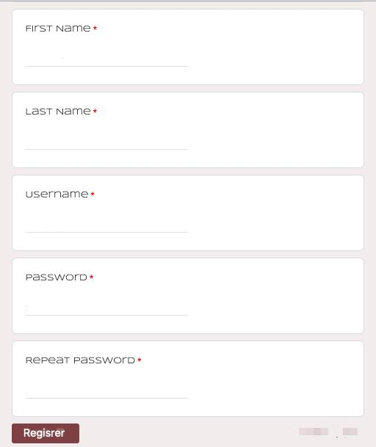
Check | Status | Test data+ comments
Follow the link https://docs.google.com/forms | passed
Try entering a first name with a sign | passed
In the first name try entering a number instead of a single letter | passed
In the first name try to leave the field empty | passed
In the first name try put a space between the letters | passed
In the first name try to put 2 hyphens between letters | passed
In the first name try to enter only two letters | passed
In the first name try to writein Arabic letters | passed
In the first name try to writein Chinese letters | passed
In the first name try to write in Hindi | passed
In the first name try to write Japaneese | passed
In the first name try to write in the Bengali language | passed
In the first name try to write in the Herbali language | passed
In the first name try to write in Greek letters | passed
In the last name try entering a number instead of a single letter | passed
Try entering a last name with a sign | passed
In the last name try to leave the field empty | passed
In the last name try put a space between the letters | passed
In the last name try to put 2 hyphens between letters | passed
In the last name try to enter only two letters | passed
In the last name try to write the name in Arabic letters | passed
In the last name try to write in Chinese letters | passed
In the last name try to write in Hindi | passed
In the last name try to write in Japaneese | passed
In the last name try to write in the Bengali language | passed
In the last name try to write in the Herbali language | passed
In the last name try to write in Greek letters | passed
In the username try to write the name in Arabic letters | passed
In the username try to write in Chinese letters | passed
In the username try to write in Hindi | passed
In the username try to write in Japaneese | passed
In the username try to write in the Bengali language | passed
In the username try to write in the Herbali language | passed
In the username try to write in Greek letters | passed
In the username try to leave the field empty | passed
In the username try put a space between the letters | passed
In the username try to enter only two letters | passed
In the password try to write the name in Arabic letters | passed
In the password try to write in Chinese letters | passed
In the password try to write in Hindi | passed
In the password try to write in Japaneese | passed | アイスクリーム 123!2
In the password try to write in the Bengali language | passed | বাংলাভাষা(বাঙলা!12345
In the password try to write in Greek letters | passed | Νίκοςγοράζειμήλα1!
Try to enter a 9-digit password | passed | As!110119
Try to enter a 21-digit password | passed | As!11011997iid22aq123
Try to enter a 18-digit password | passed | As!11011997iid22aq
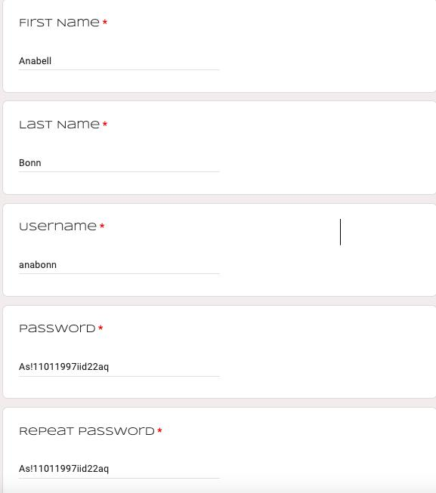
Try to enter a password with only numbers | passed | 1234567890
Try to enter a password with only letters | passed
Try to enter a password with only in uppercase latters | passed
Try to enter a password with only in lower case latters | passed
Try to enter a password only with special characters | passed
Try to enter a password "1aA!" | passed
Try to enter a repeat password without one character | passed
Try to enter a repeat password with one more character | passed
Try to enter in the repeat password another password | passed
Fill in all fields validly | passed
Fill in all fields invalidly | passed

